STELLA Mc CARTNEY ADIDAS
STELLA McCARTNEY X ADIDAS SHOES
PHOTO | BRAND | REF | COL DESCR | DESCR | GENDER | SIZE GUIDE | QTY | RETAIL PRICE | TOTAL RETAIL | EAN | COL | MADE IN | COMPO | HS CODE
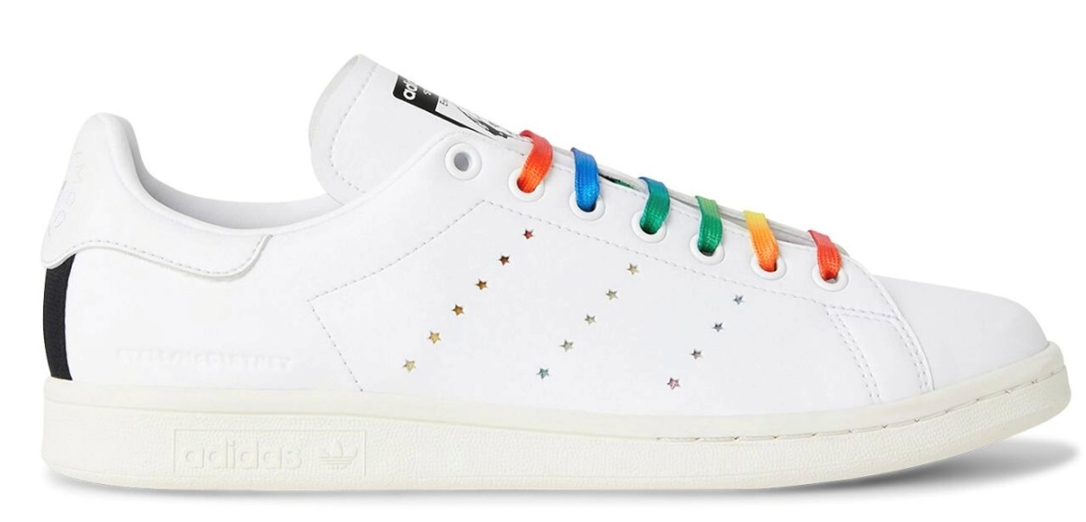 | STELLA McCARTNEY | 800079N0051 | WHITE/MULTI/ | SNEAKERS DONNA / LADY SNEAKERS | LADY | 37 | 829 | 250.00 € | 207,250.00 € | 3664161485921 | 9099 | MADE IN VIETNAM | UPPER 60%POLYESTER 40%POLYURETHANE SOLE RUBBER | 64029998
 |  |  |  |  |  | 37+ | 1,280 | 250.00 € | 320,000.00 € | 3664161485976
 |  |  |  |  |  | 38 | 1,304 | 250.00 € | 326,000.00 € | 3664161485938
 |  |  |  |  |  | 38+ | 31 | 250.00 € | 7,750.00 € | 3664161485983
 |  |  |  |  |  | 39 | 28 | 250.00 € | 7,000.00 € | 3664161485945
TOTAL STELLA McCARTNEY X ADIDAS SHOES |  |  |  |  |  |  | 3,472 | 250.00 € | 868,000.00 €

